Sheet3
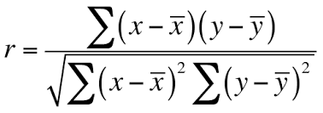
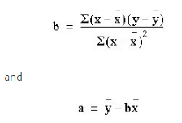
Y(orig) | X(Orig) | Y | X
Height_actual | Weight_actual | Height_normalized | Weight_Normalized | Residual Sqaure | Sum of Squares
163 | 60 | -1.479950476 | -1.2566227956 | 0.049875252795 | 2.1902534113
170 | 65 | -0.50262468995 | -0.70547244668 | 0.041147212411 | 0.25263157895
181 | 83 | 1.0331729738 | 1.2786688096 | 0.060268205406 | 1.0674463938
176 | 73 | 0.33508312663 | 0.17636811167 | 0.025190455975 | 0.11228070175
178 | 76 | 0.61431906549 | 0.50705832105 | 0.011504867298 | 0.37738791423

 |  |  | RSS | 0.18798599388
 |  |  | TSS | 4
 |  |  | R-Square | 0.95300350153

 |  | Pearson R Calculation
 |  |  | Numerator | Denominator | Final R-Square
 |  | R-Square Info (Pearson) | 3.9060070031 | 4 | 0.97650175076
 |  | b(slope) | 0.97650175076
 |  | a(const) | 1.3615453381E-15

 |  | Final Equation | Height = 1e-15 + (0.9765)Weight
 |  |  | Y = a + bx

 |  | Pearson R calculation

